02 Introduction
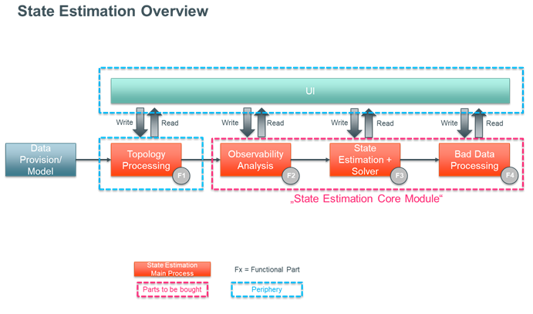
Market Sounding/Evaluation for potential vendors of systems for State Estimation

02 Introduction
With MCCS NextGen, 50Hertz plans to completely replace all application software systems and integration technologies in its system operation, including SCADA, EMS, LFC, CMS, scheduling, etc., as well as adding or enhancing relevant capabilities such as dynamic system analysis, dynamic voltage maintenance, automated topology optimization, online analytics and more. Associated with MCCS NextGen is a strict focus on modularization of applications, loose data- and event-driven coupling of modules, and flexible integration of modules. MCCS NextGen will be shared by 50Hertz as a vision, architecture, and reference solution with peers (e.g., other international TSOs) in a MCCS NextGen community, becoming a blueprint for 50Hertz and other TSOs and community partners to quickly respond to the increasing change needs in electric (and other) infrastructure management applications. For further information about MCCS please check: https://www.50hertz.com/en/Grid/MCCSNG
One module of MCCS will be the State Estimation as part of the Grid Analysis Suite. This market sounding aims to identify potential vendors for a State Estimation solution that fits within the modular approach of MCCS. As can be seen in the illustration below, we are not necessarily aiming to procure all necessary parts of a State Estimation, but more the core calculation capabilities. Since MCCS has its own unified user interface, the State Estimation does not necessarily need to be delivered with an inbuild UI. Also, the Topology Processing is needed for various MCCS modules and therefore does not necessarily have to be part of the State Estimation Module, as it will be provided by MCCS. The exact content and technical requirements are requested in tabs 03 and 04.

